Geometry
Overall dimensions of rocket
Length-overall (m) | 1.62
OD (cm) | 9.3223
Cr-in body(cm) | 15
Ct-in body (cm) | 10
Sweep angle - LE (deg) | 40
Cross-Sec A min (m^2) | 6.83E-03
Enlarging-fins (cm) | 10

 | References
30 |  | 0 | 0
cm |  | 1.875 | 0.291321875
0.3 |  | 5.625 | 0.873965625
m |  | 9.375 | 1.456609375
 |  | 13.125 | 2.039253125
 |  | 16.875 | 2.621896875
 |  | 20.625 | 3.204540625
 |  | 24.375 | 3.787184375
 |  | 28.125 | 4.369828125
 |  | 30 | 4.66115
Geometry determination of components
Type | Conical |  |  |  |  | X | Y | Y(-) |  |  | Type | Ogive |  |  |  |  | X | Y | Y(-)
Nosecone |  |  |  |  |  | 0 | 0 | 0 |  |  | Nosecone |  |  |  |  |  | 0 | 0 | 0
 |  |  |  |  |  | 1.875 | 0.291321875 | -0.291321875 |  |  |  |  |  |  |  |  | 1.875 | 0.57663421504 | -0.57663421504
 |  |  |  |  |  | 5.625 | 0.873965625 | -0.873965625 |  |  |  |  |  |  |  |  | 5.625 | 1.6095003057 | -1.6095003057
 |  |  |  |  |  | 9.375 | 1.456609375 | -1.456609375 |  |  |  |  |  |  |  |  | 9.375 | 2.4860336098 | -2.4860336098
 |  |  |  |  |  | 13.125 | 2.039253125 | -2.039253125 |  |  |  |  |  |  |  |  | 13.125 | 3.2104539046 | -3.2104539046
 |  |  |  |  |  | 16.875 | 2.621896875 | -2.621896875 |  |  |  |  |  |  |  |  | 16.875 | 3.7861345862 | -3.7861345862
 |  |  |  |  |  | 20.625 | 3.204540625 | -3.204540625 |  |  |  |  |  |  |  |  | 20.625 | 4.2156855164 | -4.2156855164
 |  |  |  |  |  | 24.375 | 3.787184375 | -3.787184375 |  |  |  |  |  |  |  |  | 24.375 | 4.5010143676 | -4.5010143676
 |  |  |  |  |  | 28.125 | 4.369828125 | -4.369828125 |  |  |  |  |  |  |  |  | 28.125 | 4.643369962 | -4.643369962
 |  |  |  |  |  | 30 | 4.66115 | -4.66115 |  |  |  |  |  |  |  |  | 30 | 4.66115 | -4.66115
$$f\left(x\right)=\sqrt{R^{2}−{\left(L−x\right)}^{2}}−(R−r)$$
Geometry description |  | X |  |  |  |  |  |  |  |  | Geometry description | R | 98.87327369
 | Eq for curvature | 0.15537166667 |  |  |  |  |  |  |  |  |  | Eq for curvature | -
$R=\frac{\text{(}r^{2}+L^{2})}{2r}$
 | Diameter | 9.3223 | cm | 0.093223 | m |  |  |  |  |  |  | Diameter | 9.3223 | cm | 0.093223 | m
 | Large | 30 | cm | 0.3 | m |  |  |  |  |  |  | Large | 30 | cm | 0.3 | m
Comments | Nosecone type conical, easy to manufacture and design. High drag and less heat transfer. |  |  |  |  |  |  |  |  |  | Comments | Nosecone type conical, easy to manufacture and design. High drag and less heat transfer.
References | Solidworks Tutorial - Equation Driven Curve - YouTube |  |  |  |  |  |  |  |  |  | References | Solidworks Tutorial - Equation Driven Curve - YouTube

Type |  |  |  |  |  | X | Y | Y(-)
Rocket tube |  |  |  |  |  | 30 | 4.66115 | -4.66115
 |  |  |  |  |  | 36.3 | 4.66115 | -4.66115
 |  |  |  |  |  | 48.8 | 4.66115 | -4.66115
 |  |  |  |  |  | 61.3 | 4.66115 | -4.66115
 |  |  |  |  |  | 73.8 | 4.66115 | -4.66115
 |  |  |  |  |  | 86.3 | 4.66115 | -4.66115
 |  |  |  |  |  | 98.8 | 4.66115 | -4.66115
 |  |  |  |  |  | 111.3 | 4.66115 | -4.66115
 |  |  |  |  |  | 123.8 | 4.66115 | -4.66115
 |  |  |  |  |  | 130.0 | 4.66115 | -4.66115
Geometry description | Transition diameter
 | Diameter | 9.3223 | cm | 0.093223 | m
 | Length | 100 | cm | 1 | m
Comments | Fuselage tube for intern components
References

 |  |  |  |  |  |  |  |  | AERO mark |  |  |  |  |  |  |  |  |  |  | AERO mark
Type | Sweeped |  |  |  |  | X | Y(LE) | Y(LE-) | X_aero | Y(LE) | Type | Tapered 1/4 chord |  |  |  |  | X | Y(LE) | Y(LE-) | Y(LE) | Y(-LE)
Fins |  |  |  |  |  | 110.000 | 4.661 | -4.661 | 100.678 | 0.000 | Fins |  |  |  |  |  | 110.0 | 4.66115 | -4.7 | 0
 |  |  |  |  |  | 110.938 | 6.536 | -6.536 | 110.000 | 3.000 |  |  |  |  |  |  | 110.9375 | 6.53615 | -6.5 | 3 | -3
 |  |  |  |  |  | 112.813 | 10.286 | -10.286 | 110.938 | 6.536 |  |  |  |  |  |  | 112.8125 | 10.28615 | -10.3 | 3.46875 | -3.46875
 |  |  |  |  |  | 114.688 | 14.036 | -14.036 | 112.813 | 10.286 |  |  |  |  |  |  | 114.6875 | 14.03615 | -14.0 | 4.40625 | -4.40625
 |  |  |  |  |  | 116.563 | 14.661 | -14.661 | 114.688 | 14.036 |  |  |  |  |  |  | 116.5625 | 14.66115 | -14.7 | 5.34375 | -5.34375
 |  |  |  |  |  | 118.438 | 14.661 | -14.661 | 116.563 | 14.661 |  |  |  |  |  |  | 118.4375 | 14.66115 | -14.7 | 6.28125 | -6.28125
 |  |  |  |  |  | 120.313 | 14.661 | -14.661 | 118.438 | 14.661 |  |  |  |  |  |  | 120.3125 | 14.66115 | -14.7 | 7.21875 | -7.21875
 |  |  |  |  |  | 122.188 | 14.661 | -14.661 | 120.313 | 14.661 |  |  |  |  |  |  | 122.1875 | 14.66115 | -14.7 | 8 | -8
 |  |  |  |  |  | 125.000 | 14.661 | -14.661 | 125.000 | 14.661 |  |  |  |  |  |  | 125.0 | 14.66115 | -14.7 | 8 | -8
 |  |  |  |  |  | 125.000 | 4.661 | -4.661 | 125.000 | 0.000 |  |  |  |  |  |  | 125.0 | 4.66115 | -4.7
Geometry description | slope | 0.5 | LE sweep | 26.565051177 | deg | Aero-geometry corrected |  |  | AR | 0.85432211711 | Geometry description | Transition
 | B1 | 50.3
 | Cross-sec A (per fin) | 3.00E-04 | m^2 |  |  | Fyn type | Trapezoidal
 | Thickness | 2.0 | mm |  |  | Enlarging (per fin) | 15
 | Ct | 10 | cm | 0.1 | m | Ct | 10 | cm | 0.1 | m |  | Ct | 10 | cm | 0.1 | m
 | Cr | 15 | cm | 0.15 | m | Cr | 24.3 | cm | 0.243223 | m |  | Cr | 15 | cm | 0.15 | m
 | Taper ratio | 0.66666666667 | - |  |  | Taper ratio | 0.41114532754 | - | 0.41114532754
 | Semi-wing | 10 | cm | 0.1 | m | Span | 29.3223 | cm | 0.293223 | m |  | Semi-wing | 10 | cm | 0.1 | m
 | Location | 5 | cm | 0.05 | m | Total surface reference | 503.20438864 | cm^2 | 0.10064087773 | m^2 |  | Location | 5 | cm | 0.05 | m
Comments | Sweeped fins easy to manufacture |  |  |  |  |  |  |  |  |  | Comments | Tapered fins are efficient but complicated to manufacture. Efficient at low speeds
References |  |  |  |  |  |  |  |  |  |  | References

DATA

Fin type | Sweeped | Tapered 1/4 | Tapered sweeped | Column4 | Column5
Ct | 10.000 | 0.100
Cr | 24.322 | 0.243
Taper ratio | 0.411 | 0.411
Span | 29.322 | 0.293
Surface area | 503.204 | 0.101

Type |  |  |  |  |  | X | Y | Y(-)
Boat-tail |  |  |  |  |  | 130.00 | 4.66 | -4.66
 |  |  |  |  |  | 130.50 | 4.51 | -4.51
 |  |  |  |  |  | 131.50 | 4.21 | -4.21
 |  |  |  |  |  | 132.50 | 3.91 | -3.91
 |  |  |  |  |  | 133.50 | 3.61 | -3.61
 |  |  |  |  |  | 134.50 | 3.30 | -3.30
 |  |  |  |  |  | 135.50 | 3.00 | -3.00
 |  |  |  |  |  | 136.50 | 2.70 | -2.70
 |  |  |  |  |  | 137.50 | 2.40 | -2.40
 |  |  |  |  |  | 138.00 | 2.25 | -2.25
Geometry description | Diameter transition | 4.5 |  |  |  | 138.00 | 0 | 0
 | Diameter to rocket | 9.3223 | cm | 0.093223 | m
 | Length | 8 | cm | 0.08 | m
Comments | Boat-tail according to literature reduce tail drag in burnout condition
References

Forces balance
Geometry x-y
 | Cone+ |  | Cone- |  | RT+ |  | RT- |  | FUP |  | FDN |  | BT+ |  | BT- |  | CG |  | RocketCG
0 | 0 | 0 | 0 | 30.0 | 4.66115 | 30.0 | -4.66115 | 110.000 | 4.661 | 110.000 | -4.661 | 130.00 | 4.66 | 130.00 | -4.66 | 20 | 0 | 55.855 | 0.000
1.875 | 0.291321875 | 1.875 | -0.291321875 | 36.3 | 4.66115 | 36.3 | -4.66115 | 110.938 | 6.536 | 110.938 | -6.536 | 130.50 | 4.51 | 130.50 | -4.51 | 80 | 0
5.625 | 0.873965625 | 5.625 | -0.873965625 | 48.8 | 4.66115 | 48.8 | -4.66115 | 112.813 | 10.286 | 112.813 | -10.286 | 131.50 | 4.21 | 131.50 | -4.21 | 120 | 6
9.375 | 1.456609375 | 9.375 | -1.456609375 | 61.3 | 4.66115 | 61.3 | -4.66115 | 114.688 | 14.036 | 114.688 | -14.036 | 132.50 | 3.91 | 132.50 | -3.91 | 120 | -6
13.125 | 2.039253125 | 13.125 | -2.039253125 | 73.8 | 4.66115 | 73.8 | -4.66115 | 116.563 | 14.661 | 116.563 | -14.661 | 133.50 | 3.61 | 133.50 | -3.61 | 120 | 0
16.875 | 2.621896875 | 16.875 | -2.621896875 | 86.3 | 4.66115 | 86.3 | -4.66115 | 118.438 | 14.661 | 118.438 | -14.661 | 134.50 | 3.30 | 134.50 | -3.30 | 120 | 0
20.625 | 3.204540625 | 20.625 | -3.204540625 | 98.8 | 4.66115 | 98.8 | -4.66115 | 120.313 | 14.661 | 120.313 | -14.661 | 135.50 | 3.00 | 135.50 | -3.00 | 0 | 0
24.375 | 3.787184375 | 24.375 | -3.787184375 | 111.3 | 4.66115 | 111.3 | -4.66115 | 122.188 | 14.661 | 122.188 | -14.661 | 136.50 | 2.70 | 136.50 | -2.70 | 40 | 0
28.125 | 4.369828125 | 28.125 | -4.369828125 | 123.8 | 4.66115 | 123.8 | -4.66115 | 125.000 | 14.661 | 125.000 | -14.661 | 137.50 | 2.40 | 137.50 | -2.40 | 60 | 0
30 | 4.66115 | 30 | -4.66115 | 130.0 | 4.66115 | 130.0 | -4.66115 | 125.000 | 4.661 | 125.000 | -4.661 | 138.00 | 2.25 | 138.00 | -2.25 | 120 | 0
 |  |  |  |  |  |  |  |  |  |  |  | 138.00 | 0.00 | 138.00 | 0.00 | 25 | 0
 |  |  |  |  |  |  |  |  |  |  |  |  |  |  |  | 55.854713174 | 0
Geometry x-z
 | Cone+ |  | Cone- |  | RT+ |  | RT- |  | FUP |  | FDN |  | BT+ |  | BT- |  | CG
0 | 0 | 0 | 0 | 30.0 | 4.66115 | 30.0 | -4.66115 | 110.000 | 4.661 | 110.000 | -4.661 | 130.00 | 4.66 | 130.00 | -4.66 | 20 | 0
1.875 | 0.291321875 | 1.875 | -0.291321875 | 36.3 | 4.66115 | 36.3 | -4.66115 | 110.938 | 6.536 | 110.938 | -6.536 | 130.50 | 4.51 | 130.50 | -4.51 | 80 | 0
5.625 | 0.873965625 | 5.625 | -0.873965625 | 48.8 | 4.66115 | 48.8 | -4.66115 | 112.813 | 10.286 | 112.813 | -10.286 | 131.50 | 4.21 | 131.50 | -4.21 | 120 | 0
9.375 | 1.456609375 | 9.375 | -1.456609375 | 61.3 | 4.66115 | 61.3 | -4.66115 | 114.688 | 14.036 | 114.688 | -14.036 | 132.50 | 3.91 | 132.50 | -3.91 | 120 | 0
13.125 | 2.039253125 | 13.125 | -2.039253125 | 73.8 | 4.66115 | 73.8 | -4.66115 | 116.563 | 14.661 | 116.563 | -14.661 | 133.50 | 3.61 | 133.50 | -3.61 | 120 | 6
16.875 | 2.621896875 | 16.875 | -2.621896875 | 86.3 | 4.66115 | 86.3 | -4.66115 | 118.438 | 14.661 | 118.438 | -14.661 | 134.50 | 3.30 | 134.50 | -3.30 | 120 | -6
20.625 | 3.204540625 | 20.625 | -3.204540625 | 98.8 | 4.66115 | 98.8 | -4.66115 | 120.313 | 14.661 | 120.313 | -14.661 | 135.50 | 3.00 | 135.50 | -3.00 | 0 | 0
24.375 | 3.787184375 | 24.375 | -3.787184375 | 111.3 | 4.66115 | 111.3 | -4.66115 | 122.188 | 14.661 | 122.188 | -14.661 | 136.50 | 2.70 | 136.50 | -2.70 | 40 | 0
28.125 | 4.369828125 | 28.125 | -4.369828125 | 123.8 | 4.66115 | 123.8 | -4.66115 | 125.000 | 14.661 | 125.000 | -14.661 | 137.50 | 2.40 | 137.50 | -2.40 | 60 | 0
30 | 4.66115 | 30 | -4.66115 | 130.0 | 4.66115 | 130.0 | -4.66115 | 125.000 | 4.661 | 125.000 | -4.661 | 138.00 | 2.25 | 138.00 | -2.25 | 120 | 0
 |  |  |  |  |  |  |  |  |  |  |  | 138.00 | 0.00 | 138.00 | 0.00 | 25 | 0
 |  |  |  |  |  |  |  |  |  |  |  |  |  |  |  | 55.854713174 | 0

Center of gravity location from datum |  |  |  |  |  |  |  | Center of gravity location from datum |  |  |  |  |  |  |  |  | Inertia tensor
cm | Mass (gr) | x | y | z | Mx | My | Mz | meters | Mass (kg) | x | y | z | Mx | My | Mz |  | 0.0021600 | 0.0000000 | 0.0000000
Nose cone | 300 | 20 | 0 | 0 | 58860 | 0 | 0 | Nose cone | 0.3 | 0.2 | 0 | 0 | 0.5886 | 0 | 0 |  | 0.0000000 | 1.5686200 | 0.0000000
Fuselage | 1298 | 80 | 0 | 0 | 1018670.4 | 0 | 0 | Fuselage | 1.298 | 0.8 | 0 | 0 | 10.186704 | 0 | 0 |  | 0.0000000 | 0.0000000 | 1.5686200
InertiaTensor
Fin 1 xy | 45 | 120 | 6 | 0 | 52974 | 2648.7 | 0 | Fin 1 xy | 0.045 | 1.2 | 0.06 | 0 | 0.52974 | 0.026487 | 0
Fin 2 xy | 45 | 120 | -6 | 0 | 52974 | -2648.7 | 0 | Fin 2 xy | 0.045 | 1.2 | -0.06 | 0 | 0.52974 | -0.026487 | 0
Fin 3 xz | 45 | 120 | 0 | 6 | 52974 | 0 | 2648.7 | Fin 3 xz | 0.045 | 1.2 | 0 | 0.06 | 0.52974 | 0 | 0.026487
Fin 4 xz | 45 | 120 | 0 | -6 | 52974 | 0 | -2648.7 | Fin 4 xz | 0.045 | 1.2 | 0 | -0.06 | 0.52974 | 0 | -0.026487 |  | Equations
Boat tail | 0 | 0 | 0 | 0 | 0 | 0 | 0 | Boat tail | 0 | 0 | 0 | 0 | 0 | 0 | 0 |  | Inertia tensor
Avionics | 220 | 40 | 0 | 0 | 86328 | 0 | 0 | Avionics | 0.22 | 0.4 | 0 | 0 | 0.86328 | 0 | 0 |  | Ixx | Iyx | Ixz
Recovery | 150 | 60 | 0 | 0 | 88290 | 0 | 0 | Recovery | 0.15 | 0.6 | 0 | 0 | 0.8829 | 0 | 0 |  | Ixy | Iyy | Iyz
PS | 121 | 120 | 0 | 0 | 142441.2 | 0 | 0 | Motor | 0.121 | 1.2 | 0 | 0 | 1.424412 | 0 | 0 |  | Izx | Iyz | Izz
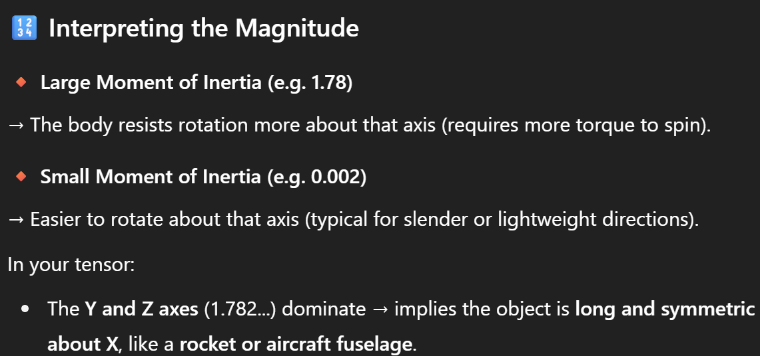
Payload | 1200 | 25 | 0 | 0 | 294300 | 0 | 0 | Payload | 1.2 | 0.25 | 0 | 0 | 2.943 | 0 | 0
Overall CG | 3469 | 55.855 | 0.000 | 0.000 | 1900785.6 | 0 | 0 | Overall CG | 3.469 | 0.5585 | 0.0000 | 0.0000 | 19.007856 | 0 | 0
Overall assembly from CAD |  |  |  |  |  |  |  | Overall assembly from CAD

Avionics - components
mm | Mass (gr) | x | y | z | Mx | My | Mz | Composite tube weight estimation
Flight comp |  |  |  |  |  |  |  | Parametros |  |  |  | Unidades |  | Fibra seleccionada | X | Unidad
Sensor 1 |  |  |  |  |  |  |  | Dext | 7.9025 | cm | 0.079025 | m |  | Densidad | 1790 | kg/m^3
Sensor 2 |  |  |  |  |  |  |  | Dint | 7.3025 | cm | 0.073025 | m |  | Vf | 60 | %
Sensor 3 |  |  |  |  |  |  |  | Length | 30 | cm | 0.3 | m
PCB & cables |  |  |  |  |  |  |  | thickness | 3 | mm |  |  |  | Matriz seleccionada | X | Unidad
 |  |  |  |  |  |  |  | Volume |  |  | 0.00021495562334 | m^3
Transceiver |  |  |  |  |  |  |  |  |  |  |  |  |  | Densidad | 1090 | kg/m^3
Antena |  |  |  |  |  |  |  | Densidad | 1.51 | gr/cm3 | 1510 | kg/m^3 |  | Vm | 40 | %
GPS |  |  |  |  |  |  |  | Masa calculada | 324.583 | gr | 0.3246 | kg

 |  |  |  |  |  |  |  | Composite fin weight estimation
Center of pressure location from datum |  |  |  |  |  |  |  | Parametros |  |  |  | Unidades |  | Fibra seleccionada | X | Unidad
cm | Force/ pressure () | x | y | z | Mx | My | Mz | Root | 15 | cm | 0.15 | m |  | Densidad | 1790 | kg/m3
Nose cone |  | 20 | 0 | 0 | 58860 | 0 | 0 | Tip | 10 | cm | 0.1 | m |  | Vf | 60 | %
Fuselage |  | 80 | 0 | 0 | 1018670.4 | 0 | 0 | Length | 8 | cm | 0.08 | m
Fin 1 xy |  | 120 | 4 | 0 |  |  |  | Thickness | 3 | mm | 0.003 | m |  | Matriz seleccionada | X
 |  |  |  |  |  |  |  | Volume |  |  | 0.00003 | m^3
Fin 2 xy |  | 120 | -4 | 0 |  |  |  |  |  |  |  |  |  | Densidad | 1090 | kg/m^3
Fin 3 xz |  | 120 | 0 | 4 | 52974 | 0 | 1765.8 | Densidad | 1510 | gr/cm3 | 1510 | kg/m^3 |  | Vm | 40 | %
 |  |  |  |  |  |  |  | Masa calculada | 45.3 | gr | 0.0453 | kg
 |  |  |  |  |  |  |  | Aletas | 4 | unidad
Fin 4 xz |  | 120 | 0 | -4 |  |  |  | Masa total | 181.2 | gr | 0.1812 | kg
Boat tail |  | 128 | 0 | 0 | 0 | 0 | 0
Overall CP | 0 | 33.219948112 | 0 | 0.051888152205 | 1130504.4 | 0 | 1765.8
Overall assembly CP from CFD

CE
Comp | X | Shear | Bending
Forebody (cone + fus.)
CG
Fins
Total

SimpleCompositesV1
 |  |  | Simple Composites v1.0
 |  |  | Spreadsheet to determine composite properties, joints and dimensions for geometries with composites

 |  |  | .
Open for extra notes: |  |  |  |  | Last update |  | 2025-09-23
Components material properties
Fiber: | HexForce 7533 |  |  | Fiber II: | FibraQ 3k plano
Matrix: | Epoxy resin Q102R Quintum |  |  | Matrix II:
Fabric Weight, ρs |  | 191 | gr/m^2 | Fabric Weight, ρs |  | 198 | gr/m^2
Aprox, thickness |  | 0.2 | mm | Aprox, thickness |  | 0.25 | mm |  | cu | ultimate compressive strenght
Aprox, density ρf |  | 955 | kg/m^3 | Aprox, density ρf |  | 792 | kg/m^3 |  | tu | ultimate tension strenght
 |  |  |  |  |  | Mpa |  | mm/mm % | ty | yield tension strenght
Cell in red are unknown | supposed by literature |  |  |  |  | Fiber Stu | 219 | Fiber εtu | 1.5%
Fiber density |  | 955 | kg/m3 | 55% | Fiber Scu | 21.9 | Fiber εcu | 1.5%
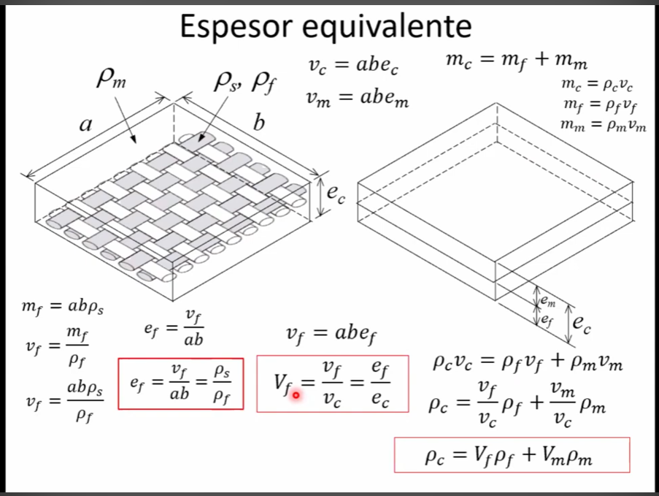
Resine density |  | 1090 | kg/m3 | 45% | Fiber Ssu |  | Fiber εsu | 1.5%
Et Module fiber |  | 14.600 | Gpa |  | Matrix Sty | 34.039215686 | Matrix εty | 1.9%
Et Module resin |  | 1.520 | Gpa |  | Matrix Stu | 42.549019608 | Matrix εtu | 2.8%
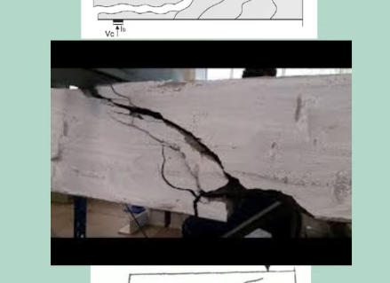
Shear failure
Ec Module fiber |  | 0.000 | Gpa |  | Matrix Scu | 121.47058824 | Matrix εcu | 2.8%
Ec Module resin |  | 4.338 | Gpa |  | Matrix Scy | 97.176470588 | Matrix εcy | 1.9%
 |  |  |  |  | Matrix Ssu | 80.294117647

Composite mechanical properties |  |  |  |  | Matrix formulation
Composite density |  | 1015.75 | kg/m3 |  | Mix ratio | 0.88
Composite Et Module |  | 8.7138235294 | Gpa |  | Resin | 100.00 | weight | volume
Sty composite |  | 130.70735294 | Mpa |  | Catalizer | 14.00 | weight | volume
Stu composite |  | 139.59705882 | Mpa |  | Needed: | 114.00 | weight | volume
Scy composite |  | 53.365411765 | MPa |  |  | 100.00 | Resin required
Scu composite |  | 66.706764706 | Mpa |  |  | 14.00 | Catalizer required
Ssy composite |  | 36.132352941 | Mpa
Mechanical compatibility longitudinal (tension)
Mechanical compatibility transversal or compression

Note:
195.18964706 | 135.76764706 | 130.70735294 | TENSION
54.661764706 | 66.706764706 | 66.706764706 | COMPRESSION
1.9% | 1.6800% | 1.5%
less | equal | higher
x | x comp | y | y comp
0.00% | 0.0% | 0.00 | 0.00 |  | Fiber prop
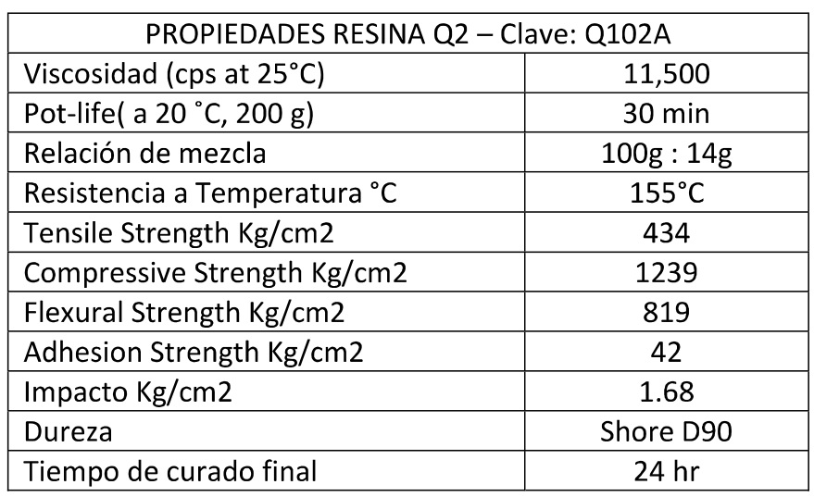
1.50% | 1.5% | 219.00 | 21.90
0.00% | 0.0% | 0.00 | 0.00 |  | Matrix prop
1.90% | 1.9% | 34.04 | 97.18 |  | yield
2.80% | 2.8% | 42.55 | 121.47 |  | uts |  |  |  |  | 0.1 Mpa | = | 1.02 kgf/cm2
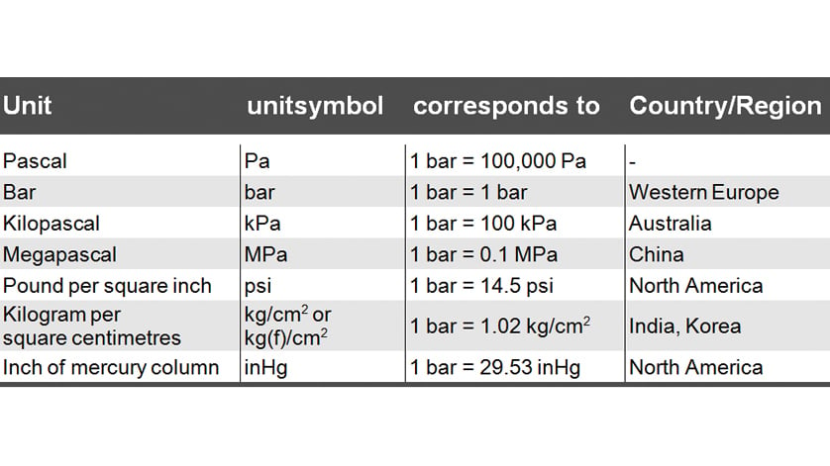
0.00% | 0.0% | 0.00 | 0.00 |  | Composite |  |  |  |  | 1 kgf/cm2 | = | 0.098806 Mpa
1.50% | 1.7% | 130.71 | 53.37
Variables of interest:
130.70735294 | Sty composite
53.365411765 | Scy composite
66.706764706 | Scu composite

Monocoque composite tube
Figure for load representation in rocket fuselage

A
C
+Y
+X

Manufacture first considerations |  |  |  |  | Tube geometry iteration
IPS tube selected |  | 3.5 | in |  | Length |  | 1620 | mm
 |  | 88.90 | mm |  | Thickness |  | 1.800 | mm
Mandril material |  | 2024-T3 |  |  | OD |  | 113.600 | mm
Temp. in room |  | 20 | °C |  | ID |  | 110.000 | mm
Temp. In furnance |  | 85 | °C |  | Mean D |  | 111.800 | mm
 |  | 185 | °F |  | CG |  | 810.000 | mm | Considering that the region/interface between red tube with blue and gray as full contact
Exp. Coef. |  | 23.2 | microm/mm°C |  | Transversal area |  | 632.214 | mm^2 | the total fuselage can be considered as unique tube
OD of IPS tube HOT |  | 90.408 | mm |  | Sec. Modulus Z |  | 17394.904 | mm^3 | As a rule of thumb by rocketers 1 caliber of the rocket is used as the length of the

Inner tube configuration
OD due inner tube HOT |  | 106.01 | mm |  | Thickness |  | 2.00 | mm
OD COLD |  | 104.50 | mm |  | OD inner |  | 110.000 | mm
Machine thickness: |  | 0.75 | mm |  | ID inner |  | 106.00720139 | mm
 | tolerance | 0.2 | + |  | A "fast" aproximation to determine inner tube |  |  |  |  |  | 351.23005867
 |  | 0 | - |  | thickness is using thin-wall structures theory

Final dimensions: |  |  |  |  | Inner tube configuration
ID: | 90.408 | mm | SF min |  | ID | 106.00720139 | mm | SF min
OD: | 113.600 | mm |  |  | OD: | 90.408 | mm
Length 1 | 90 | mm | 4 |  | Length 1 | NA | mm | 4
Length 2 | 22 | mm | 4 |  | Length 2 |  | mm
Length 3 | 46 | mm | 4 |  | Length 3 |  | mm

Loads involved:
The loads used are the "worst-case" according to dynamic and CFD simulations
Worst AoA > determine maximum load at max Q > SF of using composites Higher than 3
AoA | 15° | Max Q | 18 | kPa | due Mach: | 0.5

Longitudinal | Color rep. | Location/ Distance | Notes
(N) | (+/-) | (mm) | (cause||how is the load generated and where is applied)
117.000 | + | 150 | Forebody lift in Cpforebody
350.000 | + | 1500 | Fins lift in Cpfins |  |  | Gs lateral: | 7.57
-0.007 | - | 660 | Inertial load forward CG
0.684 | - | 690 | Inertial load downwards CG |  |  | L= | 1350

Maximum moments |  |  |  | location
Shear at X1 |  | 121.69 | N
Mforwards |  | -963420.14 | Nmm | -16468.720379 | mm
Mdownwards |  | 89598.25 | Nmm | 838.00998775 | mm | Note: almost always as the fins
Mmax |  | 89598.25 | Nmm |  |  | contribute in more lift due AoA
Stress,bending |  | 5.15 | Mpa
Stress, shear |  | 0.55 | Mpa
SF tube tension |  | 25.38
SF tube compression |  | 10.36
SF tube shear |  | 65.27 |  | Note: increasing layer, could affect the shear stress
 |  |  |  | behavior on the composite
Shear force graph
Bending moment graph
Sections | 15 | 90 |  |  |  |  |  |  | x mm | y N
x position | Shear | Moment |  |  |  |  |  |  | 150 | 0
0 | 117 | 0 |  |  |  |  |  |  | 150 | 117 | Fin
90 | 117.63939394 | 10558.772727 |  |  |  |  |  |  | #REF! | 117
180 | 118.27878788 | 21175.090909 |  |  |  |  |  |  | #REF! | #REF!
270 | 118.91818182 | 31848.954545 |  |  |  |  |  |  | 1500 | #REF!
360 | 119.55757576 | 42580.363636 |  |  |  |  |  |  | 1500 | #REF!
450 | 120.1969697 | 53369.318182
540 | 120.83636364 | 64215.818182
630 | 121.47575758 | 75119.863636
660 | 121.68888889 | 78767.333333
720 | 80.672463768 | 84838.173913
810 | 19.147826087 | 89330.086957 |  |  |  |  |  |  | Moment graph
900 | -42.376811594 | 88284.782609 |  |  |  |  |  |  | x mm | y Nmm
990 | -103.90144928 | 81702.26087 |  |  |  |  |  |  | 150 | 0
1080 | -165.42608696 | 69582.521739 |  |  |  |  |  |  | #REF! | #REF!
1170 | -226.95072464 | 51925.565217 |  |  |  |  |  |  | 1500 | #REF!
1260 | -288.47536232 | 28731.391304
1350 | -350 | 0
1350 | 0 | 0
Axial | Color rep. | Location | Notes
(N) | (+/-) | (mm) | (cause/how is the load generated and where is applied)
6 | - | 0 | Forebody drag in Cpforebody |  |  |  | Gmax, (Gs): | 19.45
150 | - |  | Fins drag in Cpfins |  |  |  | Dry mass | 6.29
1261.70 | - |  | Inertial load CG |  |  |  | mass grain | 1.10
1200 | + |  | Motor thrust in bulkhead and rocket base |  |  |  | MaxMass | 7.38

Scdrag |  | 0.24 | Mpa
Scinertia |  | 2.00 | Mpa | Note: max inertia is not present at highest Q in this case
Scbending |  | 5.15 | Mpa | there is an inertia caused by drag, the Gs experimented
Sctotal |  | 7.38 | Mpa | are equal to Gs=(DragMaxQ/DryMass)/g
Sshear |  | 121.69 |  | GsMaxQ: | 2.4313117948
SF rocket compressibe |  | 7.23
SF rocket tension |  | 25.38
SF rocket shear |  | 65.27

Required fiber and resine method 1: |  |  |  | Fast assimilation
Volume composite |  | 0.0010241868511 | m^3 | Vcomp = Vresin
Volume of resine |  | 0.00046088408299 | m^3 | Vcomp | 1.0684418385 | Liters per fuselage made
 |  | 0.46088408299 | L | Aprox 1 liters of matrix per fuselage
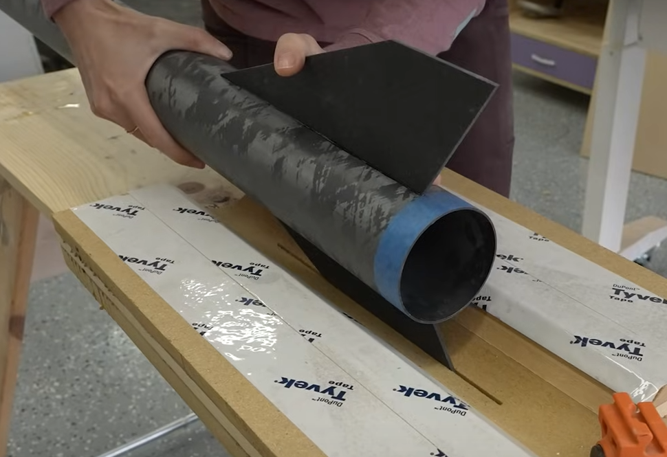
Volume of fiber |  | 0.0005633027681 | m^3 | 2 fuselages are going to be made
Mass fiber |  | 0.53795414353 | kg | plus fins
Surface needed |  | 2.8165138405 | m^2 | 4 kits of Q102R are needed
a |  | 1.62 | m
b |  | 1.7385887904 | m
 |  |  |  |  |  | Trans area | I89
Required fiber and resine method 2: |  |  |  | Tubes (m) |  |  | Volume
Layer thickness |  | 0.20 | mm | 0.3 | Recovery tube |  | 0.00018966423168
Diametral long. |  | 351.23 | mm | 0.22 | electronics bay |  | 0.00013908710323
Length |  | 1620.00 | mm | 0.37 | Inner tube electronics bay |  | 0.00023391921908
Turns |  | 9.00 | n | 0.8 | Motor tube |  | 0.00050577128449
Surface |  | 5.12 | m^2 | 1.69 | 1.17 | inner + motor | 0.0010684418385
a |  | 1.17 |  |  |  |  | 1.0684418385 | Liters
b |  | 4.38
Layer thickness |  | 0.20 | mm | 1.17 | inner + motor
Diametral long. |  | 351.23 | mm
Length |  | 1170.00 | mm
Turns |  | 9.00 | n
Surface |  | 3.70 | m^2
a |  | 1.17
b |  | 3.16
Layer thickness |  | 0.20 | mm | 0.52 | recovery + outer elect
Diametral long. |  | 351.23 | mm |  |  |  |  |  | Fin material |  |  |  |  | If fin of 3mm thickness supposed
Length |  | 520.00 | mm |  |  |  |  |  | croot |  | 15 | cm |  | thickness fin | 2 | mm
Turns |  | 9.00 | n |  |  |  |  |  | ctip |  | 10 | cm |  | thickness layer | 0.25 | mm
Surface |  | 1.64 | m^2 |  |  |  |  |  | enlarging |  | 10 | cm |  | turns | 8 | n
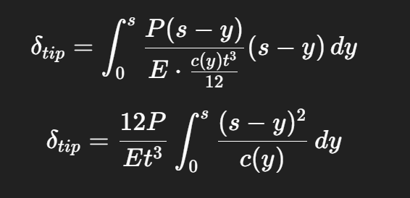
a |  | 0.52
+X
+Y
b |  | 3.16

+Z
down
Plate / Beam assimilation for fins
Croot |  | 150 | mm
Ctip |  | 100 | mm
b, semi-span |  | 100 | mm
$$C_{r}$$
$${−R}_{yroot}−{y_{lift}w}_{fins}+P_{lift}=0$$
Thickness |  | 2 | mm
Taper ratio |  | 0.67 | root stress
$$M_{yroot}+\sum{(w_{fins}}y_{0 to lift})−y_{lift}P_{lift}=0$$
Inertia X*thickness |  | 200 | mm^4
Inertia Thickness*X |  | 84375000 | mm^4
Load location (mm) |  | 97.5 | X, from LE
Lift, Drag cp
$$C_{t}$$
 |  | 70 | Y, from Croot |  |  |  |  |  |  | Slope for chord |  |  | -0.5
$$b$$
Lift (normal) load |  | 175 | N
Drag load |  | 30 | N
Fin mass |  | 50 | gr
Inertial load |  | 0.053040456125 | N/mm
 |  | 3.7128319288 | N
Reaction at root |  | -171.28716807 | N
Mx, moment in x axis |  | 12250 | Nmm
Mz, moment in z axis |  | 2100 | Nmm
Max, stress in root (Mx) |  | 61.25 | Mpa
Max, stress in root (Mz) |  | 2.4888888889E-05 | Mpa

Shear - Moment - bending graphs |  |  | N | 15 | 4.67
ID | X | Shear | Moment | Modulus | Bending | Local chord
1 | 2.33 | -171.41092914 | -399.96 | 198.44 | -2.0154700514 | 148.83
2 | 7.00 | -171.65845126 | -1201.61 | 195.33 | -6.1515827245 | 146.50
3 | 11.67 | -171.90597339 | -2005.57 | 192.22 | -10.433599541 | 144.17
4 | 16.33 | -172.15349552 | -2811.84 | 189.11 | -14.868721411 | 141.83
5 | 21.00 | -172.40101765 | -3620.42 | 186.00 | -19.464631025 | 139.50
6 | 25.67 | -172.64853978 | -4431.31 | 182.89 | -24.229533833 | 137.17
7 | 30.33 | -172.89606191 | -5244.51 | 179.78 | -29.172203276 | 134.83
8 | 35.00 | -173.14358404 | -6060.03 | 176.67 | -34.3020308 | 132.50
9 | 39.67 | -173.39110616 | -6877.85 | 173.56 | -39.629081242 | 130.17
10 | 44.33 | -173.63862829 | -7697.98 | 170.44 | -45.164154295 | 127.83
11 | 49.00 | -173.88615042 | -8520.42 | 167.33 | -50.918852813 | 125.50
12 | 53.67 | -174.13367255 | -9345.17 | 164.22 | -56.905658891 | 123.17
13 | 58.33 | -174.38119468 | -10172.24 | 161.11 | -63.138018763 | 120.83
14 | 63.00 | -174.62871681 | -11001.61 | 158.00 | -69.630437714 | 118.50
15 | 67.67 | -174.87623894 | -11833.29 | 154.89 | -76.39858645 | 116.17
16 | 70.00 | -8.881784197E-15 | 0.00 | 153.33 | -4.0547275682E-15 | 115.00

Adhesive and contact joints

Motor retainer (mr)
Dmr |  | 88.646 | mm
dmr |  | 44.323
$$τ_{bearing}=\frac{V}{A_{bearing}} \\ where A_{b}=\frac{π}{4}\left(D_{m}^{2}−d_{mr}^{2}\right) \\ and V=T$$
Lmr |  | 5 | cm |  |  |  |  |  | 2 meters of carbon fiber are needed
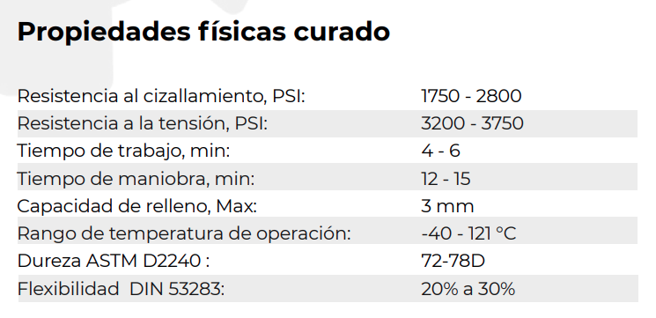
ADINOX M305
Dm |  | 56.1 | mm
Ashear |  | 13924.481119 | mm^2
Abearing |  | 928.87601229 | mm^2
Thrust, Max |  | 1200 | N
Shear, shear |  | 0.086179153807 | Mpa
Shear, shear, mat |  |  | Mpa
Shear, bearing |  | 1.2918839373 | Mpa
ADINOX, shear allow |  | 12.068965517 | Mpa
$$d_{mr}$$
$$L_{mr}$$
Wood, bearing allow |  |  | Mpa

$$A_{shear}=πD_{mr}L_{mr} \\ τ=\frac{V}{A_{shear}} \\ where V=T$$
Sf, shear |  | 140.04506872
Sf, bearing |  | 0

$$D_{m}$$
$$D_{mr}$$

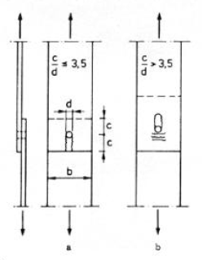
Motor downward retainer (mdr)
Dm |  | 56.1 | mm
df |  | 88.646 | mm
Df |  | 92.9 | mm |  |  |  |  |  | 0.1 Mpa | 14.5 psi
Ddm |  | 60 | mm |  |  |  |  |  |  |  |  | o lo sume
df, thickness |  | 5 | mm
ldr |  | 3 | mm |  |  |  |  |  |  |  |  | o lo corta
Ldr, downward ret |  | 8 | mm
Area A |  | 835.46886711 | mm^2
$$L_{dr}$$
$$D_{m}$$
Area B |  | 1507.9644737 | mm^2
Load, thrust |  | 1200 | N
$$l_{dr}$$
$$d_{f}$$
Stress, bearing A |  | 1.4363192301 | Mpa
Stress, bearing B |  | 0.79577471546 | Mpa
$$D_{f}$$
Material A |  |  | Mpa
$$D_{dm}$$
Material B |  |  | Mpa
A
Stress, allow A |  | 12 | Mpa
Stress, allow B |  | 3 | Mpa
B
SF, A |  | 8.3546886711
SF, B |  | 3.7699111843

Joints in conjunction

IPS tube catalogue used for tube manufacture
Dnom (in) | OD (in) | ID (in) | t (in) | Caliber designation (ASME) | OD (mm) | ID (mm) | t (mm)
2 | 2.375 | 2.067 | 0.154 | STD 40 | 60.325 | 52.5018 | 3.9116
2 | 2.375 | 1.939 | 0.218 | XS 80 | 60.325 | 49.2506 | 5.5372
2.5 | 2.875 | 2.469 | 0.203 | STD 40 | 73.025 | 62.7126 | 5.1562
2.5 | 2.875 | 2.323 | 0.276 | XS 80 | 73.025 | 59.0042 | 7.0104
3 | 3.5 | 3.068 | 0.216 | STD 40 | 88.9 | 77.9272 | 5.4864
3 | 3.5 | 2.9 | 0.3 | XS 80 | 88.9 | 73.66 | 7.62
3.5 | 4 | 3.548 | 0.226 | STD 40 | 101.6 | 90.1192 | 5.7404
3.5 | 4 | 3.364 | 0.318 | XS 80 | 101.6 | 85.4456 | 8.0772
4 | 4.5 | 4.026 | 0.237 | STD 40 | 114.3 | 102.2604 | 6.0198
4 | 4.5 | 3.826 | 0.337 | XS 80 | 114.3 | 97.1804 | 8.5598

Material | Datasheet
Aluminum | https://lapaloma.com.mx/lapaloma_metales/aluminio_z1.pdf

Material / Alloy | Coef. of thermal exp. (X10^-3 m/m°C) | Notes
1100 (pure Al) | 23.6 | High purity, soft
2024-T3 | 23.2 | Aerospace, Cu alloyed
2219-T87 | 22 | High-temp aerospace alloy
6061-T6 | 23.6 | Very common structural
7075-T6 | 23.5 | High strength aerospace
319 (casting) | 21.5 | Automotive cast Al
356 (casting) | 21.5 | Cast alloy, Si-rich

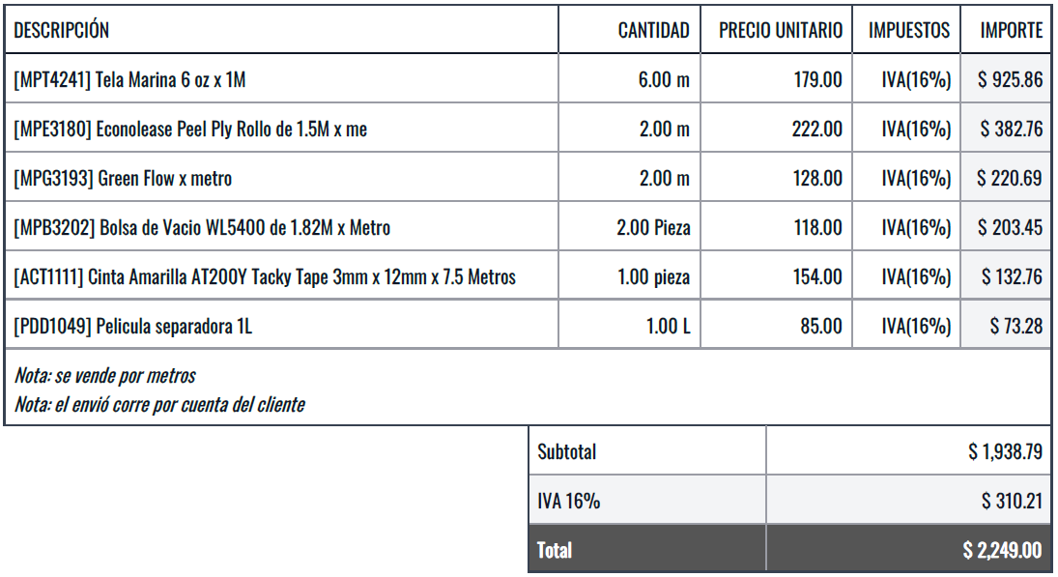

Lista de consumibles para laminado
Precio | Precio 2 | Cantidad | Descripcion
310 | 310 | 1 | Cinta de vacio elastomerica 20m largo
840 | 840 | 1 | Peel plies 125cm x 10m
840 | 840 | 1 | Malla de distribucion 145cmx 10m GREEN FLOW
595 | 595 | 1 | Malla de sangrado 145cm x 10m |  |  | https://www.fibraq.com/collections/material-para-vacio-e-infusion/products/pelicula-antiadherente-malla-de-sangrado
590 | 590 | 1 | Tubo de absorcion PEBD 20m |  |  | https://www.fibraq.com/collections/material-para-vacio-e-infusion/products/tubo-de-absorcion-pebd-de-infusion-o-10-x-12-mm
360 | 1800 | 5 | Toma de infusion para vacio |  |  | https://www.fibraq.com/collections/material-para-vacio-e-infusion/products/toma-de-infusion-para-vacio
649 | 649 | 1 | Bolsa de vacio 150cm x 10m
800 | 1600 | 2 | Fibra de carbono 3k plano 127cm x 1m
85 | 85 | 1 | PELICULA SEPARADORA
320 | 960 | 3 | Resina Q102R
320 | 0 |  | Resina Q101R
420 | 1260 | 3 | Resina Qzero

 | 3515 | Total

RocketAeroDesign 3.0
Iterations Input variables | 1.000 | 1.000 | 1.000 | 1.000 | 1.000 | 1.000 | 1.000 | 1.000 | 1.000
Airflow (m/s) | 170.087 | 34.029 | 102.086 | 238.200 | 340.286 | 510.429 | 680.573 | 1020.859 | 1701.431
U (m/s) | 164.291 | 34.029 | 102.086 | 238.200 | 340.286 | 510.429 | 680.573 | 1020.859 | 1701.431
V (m/s) | 0.000 | 0.000 | 0.000 | 0.000 | 0.000 | 0.000 | 0.000 | 0.000 | 0.000
W (m/s) | 44.022 | 0.000 | 0.000 | 0.000 | 0.000 | 0.000 | 0.000 | 0.000 | 0.000
Altitude (m) | 0.000
Cross-sec area (m^2) | 0.007
Q, dynamic pressure (Pa) | 17706.009
Lr, reference length (m) | 1.350
Mach (for input) | 0.50 | 0.10 | 0.30 | 0.70 | 1.00 | 1.50 | 2.00 | 3.00 | 5.00
Mach | 0.50 | 0.10 | 0.30 | 0.70 | 1.00 | 1.50 | 2.00 | 3.00 | 5.00
Speed of sound (m/s) | 340.174 | 340.286 | 340.286 | 340.286 | 340.286 | 340.286 | 340.286 | 340.286 | 340.286
AoA (deg) symmetric x,z | 15.000 | 0.000 | 0.000 | 0.000 | 0.000 | 0.000 | 0.000 | 0.000 | 0.000
AoS (deg) slideslip, symmetric x,y | 0.000 | 0.000 | 0.000 | 0.000 | 0.000 | 0.000 | 0.000 | 0.000 | 0.000
AoA (rad) | 0.262 | 0.262 | 0.262 | 0.262 | 0.262 | 0.262 | 0.262 | 0.262 | 0.262
AoS (rad) | 0.000 | 0.000 | 0.000 | 0.000 | 0.000 | 0.000 | 0.000 | 0.000 | 0.000
Altitude (m) | 0.000 | 0.000 | 0.000 | 0.000 | 0.000 | 0.000 | 0.000 | 0.000 | 0.000
Atmosphere conditions
Local pressure (Pa) | 101177.194 | 101528.519 | 101528.519 | 101528.519 | 101528.519 | 101528.519 | 101528.519 | 101528.519 | 101528.519
Density local (kg/m3) | 1.224 | 1.228 | 1.228 | 1.228 | 1.228 | 1.228 | 1.228 | 1.228 | 1.228
Temperature local (K) | 288.000 | 288.190 | 288.190 | 288.190 | 288.190 | 288.190 | 288.190 | 288.190 | 288.190
Temperature local (C°) | 15.000 | 15.190 | 15.190 | 15.190 | 15.190 | 15.190 | 15.190 | 15.190 | 15.190
Dynamic viscosity (Pa*s) | 1.84E-05 | 1.84E-05 | 1.84E-05 | 1.84E-05 | 1.84E-05 | 1.84E-05 | 1.84E-05 | 1.84E-05 | 1.84E-05
Kinematic viscosity (m2/s) | 1.50E-05 | 1.50E-05 | 1.50E-05 | 1.50E-05 | 1.50E-05 | 1.50E-05 | 1.50E-05 | 1.50E-05 | 1.50E-05
Gust wind (m/s) | 9.000 | 9.000 | 9.000 | 9.000 | 9.000 | 9.000 | 9.000 | 9.000 | 9.000
Gust wind U (m/s)
Gust wind V (m/s)
Gust wind W (m/s)
Modified AoA (deg) | 17.886 | 14.815 | 5.038 | 2.164 | 1.515 | 1.010 | 0.758 | 0.505 | 0.303
Modified AoS (deg) | 3.136 | 14.815 | 5.038 | 2.164 | 1.515 | 1.010 | 0.758 | 0.505 | 0.303
Modified AoA (rad) | 0.312 | 0.259 | 0.088 | 0.038 | 0.026 | 0.018 | 0.013 | 0.009 | 0.005
Modified AoS (rad) | 0.055 | 0.259 | 0.088 | 0.038 | 0.026 | 0.018 | 0.013 | 0.009 | 0.005
Max-Q (max. Dynamic pressure) Pa | 17706.009 | 710.700 | 6396.297 | 34824.282 | 71069.963 | 159907.417 | 284279.853 | 639629.668 | 1776749.078
Cross-sec area (m^2) | 0.007 | 0.007 | 0.007 | 0.007 | 0.007 | 0.007 | 0.007 | 0.007 | 0.007

FIN GEOMETRY ANALYSIS

FOREBODY ANALYSIS

Forebody geometry design (per fin)
Diameter of rocket (cm) | 9.322
(m) | 0.093
Nose cone length (L_N, in cm) | 30.000
(m) | 0.300
L_N /diameter ratio | 3.218
Fuselage midsection (L_m, in cm) | 120.000
(m) | 1.200
Boat tail length (L_T, in cm) | 0.000
(m) | 0.000
Smaller diameter boat-tail (cm) | 0.000
(m) | 0.000
Overall-length (L, cm) | 150.000
(m) | 1.500
Cross-sectional Area (m^2) | 0.007

Aero parameters
Reynolds max (forebody base) | 1.64E+09
y (wall separation, mm) | -3355.43320
y (wall separation, m) | -3.36E+00
First term | 166.198
y+ subsonic MAX Re TE | 3.379
y+ sonic MAX Re TE | 3.340

Normal force forebody (newtons) | 91.716
C_N overall | 0.759
C_N AoA term | 0.250
C_N0 due Ln /d ratio & mach | 2.030
F, part | 20.212
C_NC due alpha | 0.018
C_Pf | 0.670
first term | 69.911
second term | 0.308
C_PL | 0.862

Over Xcp (cm from nose-tip) | -72.490
Xforebody (in nose-cone) | 13.980
CP due Ln /d & Mach | 0.466
Xcrossflow | 86.470
C_Cf | 1.248
second term | 20.716
C_CL | 1.153
first term | 0.033
second term | 0.640
third term | 0.320
fourth term | 0.000
fifth term | 0.000

Aerodynamic theoretical STATIC coeficients & der
Nose-cone coef and derivatives Mach & Ln /d
For C_NC coeficient when M<0.5
For C_NC coef due Mach valid for +/- 5 deg | d(C_NC)/da

for cp0 location due Mach

dC_Nforebody /dAoA

dC_Nf /dAoA due Mach numb

ROCKET ANALYSIS (FOREBODY & FINS)

Fins location from forebody base to LE (cm) | 15.000 |  |  |  |  |  |  |  |  | Inertia tensor |  |  |  | Derivatives longitudinal
(m) | 0.150 |  |  |  |  |  |  |  |  | Ixx | Iyx | Ixz |  | Xu | Xw | Xq | Xθ | Xδe | Xthr | θ
Reference length (Lr, cm) | 135.000 |  |  |  |  |  |  |  |  | Ixy | Iyy | Iyz |  | Zu | Zw | Zq | Zθ | Zδe | Zthr | β
(m) | 1.350 |  |  |  |  |  |  |  |  | Izx | Iyz | Izz |  | Mu | Mw | Mq | Mθ | Mδe | Mthr | δ
 |  |  |  |  |  |  |  |  |  |  |  |  |  | 0 | 0 | q | 0 | 0 | 0
Forebody CP location Nose-tip to CP (cm)
Fins CP location LE to CP (cm)
Rocketbody CG location from Nose-tip (cm)
Forebody CP location CG-CP (cm)
(m)
Fins CP location CG-CP (cm)
(m)

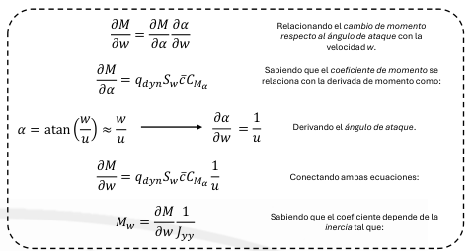

 |  |  |  |  |  |  |  |  |  |  |  |  |  |  |  |  |  |  |  |  | θ
 |  |  |  |  |  |  |  |  |  |  |  |  |  |  |  |  |  |  |  |  | ф
 |  |  |  |  |  |  |  |  |  |  |  |  |  |  |  |  |  |  |  |  | ψ
 |  |  |  |  |  |  |  |  |  |  |  |  |  |  |  |  |  |  |  |  | β
 |  |  |  |  |  |  |  |  |  |  |  |  |  |  |  |  |  |  |  |  | δ
 |  |  |  |  |  |  |  |  |  | Derivatives lateral-directional

 |  |  |  |  |  |  |  |  |  | Yv | Yp | Yr | Yф | Yψ |  | Yδr | 0
 |  |  |  |  |  |  |  |  |  | Lv | Lp | Lr | Lф | Lψ |  | Lδr | Lδa
 |  |  |  |  |  |  |  |  |  | Nv | Np | Nr | Nф | Nψ |  | Mδr | Nδa
 |  |  |  |  |  |  |  |  |  | 0 | 1 | tanθ | 0 | 0 |  | 0 | 0
 |  |  |  |  |  |  |  |  |  | 0 | 0 | secθ | 0 | 0 |  | 0 | 0

FinAeroDesign 2.0
Iterations Input variables (ambient) | 1.000 | 1.000 | 1.000 | 1.000 | 1.000 | 1.000 | 1.000 | 1.000 | 1.000 | 1.000
Airflow (m/s) | 20.410 | 170.131 | 102.086 | 170.143 | 238.200 | 340.286 | 510.429 | 680.573 | 1020.859 | 1701.431
U (m/s) | 19.715 | 164.334 | 102.086 | 170.143 | 238.200 | 340.286 | 510.429 | 680.573 | 1020.859 | 1701.431
V (m/s) | 0.000 | 0.000 | 0.000 | 0.000 | 0.000 | 0.000 | 0.000 | 0.000 | 0.000 | 0.000
W (m/s) | 5.283 | 44.033 | 0.000 | 0.000 | 0.000 | 0.000 | 0.000 | 0.000 | 0.000 | 0.000
Mach (for data) | 0.06 | 0.50 | 0.30 | 0.50 | 0.70 | 1.00 | 1.50 | 2.00 | 3.00 | 5.00
Mach | 0.06 | 0.50 | 0.30 | 0.50 | 0.70 | 1.00 | 1.50 | 2.00 | 3.00 | 5.00
Speed of sound (m/s) | 340.174 | 340.263 | 340.286 | 340.286 | 340.286 | 340.286 | 340.286 | 340.286 | 340.286 | 340.286
AoA (deg) symmetric x,z | 15.000 | 15.000 | 0.000 | 0.000 | 0.000 | 0.000 | 0.000 | 0.000 | 0.000 | 0.000
AoS (deg) slideslip, symmetric x,y | 0.000 | 0.000 | 0.000 | 0.000 | 0.000 | 0.000 | 0.000 | 0.000 | 0.000 | 0.000
AoA (rad) | 0.262 | 0.262 | 0.262 | 0.262 | 0.262 | 0.262 | 0.262 | 0.262 | 0.262 | 0.262
AoS (rad) | 0.000 | 0.000 | 0.000 | 0.000 | 0.000 | 0.000 | 0.000 | 0.000 | 0.000 | 0.000
Altitude (m) | 0.000 | 0.000 | 0.000 | 0.000 | 0.000 | 0.000 | 0.000 | 0.000 | 0.000 | 0.000
Atmosphere conditions
Local pressure (Pa) | 101177.194 | 101454.474 | 101528.519 | 101528.519 | 101528.519 | 101528.519 | 101528.519 | 101528.519 | 101528.519 | 101528.519
Density local (kg/m3) | 1.224 | 1.227 | 1.228 | 1.228 | 1.228 | 1.228 | 1.228 | 1.228 | 1.228 | 1.228
Temperature local (K) | 288.000 | 288.150 | 288.190 | 288.190 | 288.190 | 288.190 | 288.190 | 288.190 | 288.190 | 288.190
Temperature local (C°) | 15.000 | 15.150 | 15.190 | 15.190 | 15.190 | 15.190 | 15.190 | 15.190 | 15.190 | 15.190
Dynamic viscosity (Pa*s) | 1.84E-05 | 1.84E-05 | 1.84E-05 | 1.84E-05 | 1.84E-05 | 1.84E-05 | 1.84E-05 | 1.84E-05 | 1.84E-05 | 1.84E-05
Kinematic viscosity (m2/s) | 1.50E-05 | 1.50E-05 | 1.50E-05 | 1.50E-05 | 1.50E-05 | 1.50E-05 | 1.50E-05 | 1.50E-05 | 1.50E-05 | 1.50E-05
Gust wind (m/s) | 9.000 | 9.000 | 9.000 | 9.000 | 9.000 | 9.000 | 9.000 | 9.000 | 9.000 | 9.000
Gust wind U (m/s)
Gust wind V (m/s)
Gust wind W (m/s)
Modified AoA (deg) | 35.922 | 17.886 | 5.038 | 3.028 | 2.164 | 1.515 | 1.010 | 0.758 | 0.505 | 0.303
Modified AoS (deg) | 24.537 | 3.135 | 5.038 | 3.028 | 2.164 | 1.515 | 1.010 | 0.758 | 0.505 | 0.303
Modified AoA (rad) | 0.627 | 0.312 | 0.088 | 0.053 | 0.038 | 0.026 | 0.018 | 0.013 | 0.009 | 0.005
Modified AoS (rad) | 0.428 | 0.055 | 0.088 | 0.053 | 0.038 | 0.026 | 0.018 | 0.013 | 0.009 | 0.005
Max-Q (max. Dynamic pressure) Pa | 254.967 | 17754.533 | 6396.297 | 17767.491 | 34824.282 | 71069.963 | 159907.417 | 284279.853 | 639629.668 | 1776749.078
Cross-sec area (m^2) | 0.007 | 0.007 | 0.007 | 0.007 | 0.007 | 0.007 | 0.007 | 0.007 | 0.007 | 0.007

Fin geometry design (per fin)
Diameter of rocket (cm) | 9.322 | 9.322 | 9.322 | 9.322 | 9.322 | 9.322 | 9.322 | 9.322 | 9.322 | 9.322
(m) | 0.093 | 0.093 | 0.093 | 0.093 | 0.093 | 0.093 | 0.093 | 0.093 | 0.093 | 0.093
Real chord root (cm) | 16.554 | 16.554 | 16.554 | 16.554 | 16.554 | 16.554 | 16.554 | 16.554 | 16.554 | 16.554
(m) | 0.166 | 0.166 | 0.166 | 0.166 | 0.166 | 0.166 | 0.166 | 0.166 | 0.166 | 0.166
Physical chord root (cm) | 15.000 | 15.000 | 15.000 | 15.000 | 15.000 | 15.000 | 15.000 | 15.000 | 15.000 | 15.000
(m) | 0.150 | 0.150 | 0.150 | 0.150 | 0.150 | 0.150 | 0.150 | 0.150 | 0.150 | 0.150
Chord tip (cm) | 10.000 | 10.000 | 10.000 | 10.000 | 10.000 | 10.000 | 10.000 | 10.000 | 10.000 | 10.000
(m) | 0.100 | 0.100 | 0.100 | 0.100 | 0.100 | 0.100 | 0.100 | 0.100 | 0.100 | 0.100
Thickness (mm) | 2.000 | 2.000 | 2.000 | 2.000 | 2.000 | 2.000 | 2.000 | 2.000 | 2.000 | 2.000
(m) | 0.020 | 0.020 | 0.020 | 0.020 | 0.020 | 0.020 | 0.020 | 0.020 | 0.020 | 0.020
LE sweep (deg) | 45.000 | 45.000 | 45.000 | 45.000 | 45.000 | 45.000 | 45.000 | 45.000 | 45.000 | 45.000
Taper ratio (-) | 0.667 | 0.667 | 0.667 | 0.667 | 0.667 | 0.667 | 0.667 | 0.667 | 0.667 | 0.667
Semi-span (cm) | 19.661 | 19.661 | 19.661 | 19.661 | 19.661 | 19.661 | 19.661 | 19.661 | 19.661 | 19.661
(m) | 0.197 | 0.197 | 0.197 | 0.197 | 0.197 | 0.197 | 0.197 | 0.197 | 0.197 | 0.197
Enlarging (cm) (per fin) | 15.000 | 15.000 | 15.000 | 15.000 | 15.000 | 15.000 | 15.000 | 15.000 | 15.000 | 15.000
(m) | 0.150 | 0.150 | 0.150 | 0.150 | 0.150 | 0.150 | 0.150 | 0.150 | 0.150 | 0.150
Real surface (m2) (per fin) | 0.026 | 0.026 | 0.026 | 0.026 | 0.026 | 0.026 | 0.026 | 0.026 | 0.026 | 0.026
Physical Lifting surface (m2) (per fin) | 0.019 | 0.019 | 0.019 | 0.019 | 0.019 | 0.019 | 0.019 | 0.019 | 0.019 | 0.019
AR (-) | 2.962 | 2.962 | 2.962 | 2.962 | 2.962 | 2.962 | 2.962 | 2.962 | 2.962 | 2.962

Numeric segmentation for N=10
semi-span-separation (m) | 0.014 | 0.014 | 0.014 | 0.014 | 0.014 | 0.014 | 0.014 | 0.014 | 0.014 | 0.014
chord-slope | -0.333 | -0.333 | -0.333 | -0.333 | -0.333 | -0.333 | -0.333 | -0.333 | -0.333 | -0.333
Station (semi-span-location, m)
Station (chord, m)
Station (local-area, m^2)
Total Area Sum m^2 | 0.017 | 0.017 | 0.017 | 0.017 | 0.017 | 0.017 | 0.017 | 0.017 | 0.017 | 0.017
Aero parameters
Aerodynamic corrected slope | 1.7567 | 2.0248 | 1.8382 | 2.0248 | 2.4554 | 12.4303 | 12.4303 | 12.4303 | 12.4303 | 12.4303
Aerodynamic corrected slope supersonic | 1.7567 | 2.0248 | 1.8382 | 2.0248 | 2.4554 | 28.2138 | 3.5777 | 2.3094 | 1.4142 | 0.8165

Reynolds max TE | 1.97E+05 | 1.65E+06 | 1.02E+06 | 1.71E+06 | 2.39E+06 | 3.41E+06 | 5.12E+06 | 6.82E+06 | 1.02E+07 | 1.71E+07
Reynolds min TE | 1.32E+07 | 1.10E+08 | 6.82E+07 | 1.14E+08 | 1.59E+08 | 2.27E+08 | 3.41E+08 | 4.55E+08 | 6.82E+08 | 1.14E+09
y (wall separation, mm) | 0.01856 | 0.00108 | 0.00108 | 0.00108 | 0.00108 | 0.00108 | 0.00108 | 0.00108 | 0.00108 | 0.00108
y (wall separation, m) | 1.86E-05 | 1.08E-06 | 1.08E-06 | 1.08E-06 | 1.08E-06 | 1.08E-06 | 1.08E-06 | 1.08E-06 | 1.08E-06 | 1.08E-06
First term | 19.944 | 9.699 | 6.025 | 10.041 | 14.057 | 20.082 | 30.123 | 40.164 | 60.246 | 100.410
y+ subsonic MAX Re TE | 1.000 | 0.486 | 0.302 | 0.503 | 0.705 | 1.007 | 1.510 | 2.014 | 3.021 | 5.035
chord Re segmentation (chord root) | 0.030 | 0.030 | 0.030 | 0.030 | 0.030 | 0.030 | 0.030 | 0.030 | 0.030 | 0.030
Chord y+ segmentation
y+ sonic MAX Re TE | 1.000 | 0.481 | 0.301 | 0.498 | 0.690 | 0.965 | 1.385 | 1.756 | 2.375 | 3.313
chord Re segmentation (chord root)

y+ for rocket length MAX RE

Aerodynamic theoretical STATIC forces per fin
Cl corrected | 0.45990 | 0.53009 | 0.00000 | 0.00000 | 0.00000 | 0.00000 | 0.00000 | 0.00000 | 0.00000 | 0.00000
Data points (Lift)
Data points (Moment due Lift Myz)
TOTAL Lift (Newtons) | 1.999 | 160.422 | 0.000 | 0.000 | 0.000 | 0.000 | 0.000 | 0.000 | 0.000 | 0.000
TOTAL Myz due lift (Newtons) | 0.142 | 11.375 | 0.000 | 0.000 | 0.000 | 0.000 | 0.000 | 0.000 | 0.000 | 0.000
CL per fin 3D | 0.920 | 1.060 | 0.000 | 0.000 | 0.000 | 0.000 | 0.000 | 0.000 | 0.000 | 0.000
CP loc. of fin 3D (cm) | 7.091 | 7.091 | #DIV/0! | #DIV/0! | #DIV/0! | #DIV/0! | #DIV/0! | #DIV/0! | #DIV/0! | #DIV/0!
Data points (CL due AoA, M<0.5)
dCL/dAlpha due Mach & AoA | 0.07119 | 0.07119 | 0.07119 | 0.07119 | 0.07119 | 0.07119 | 0.07119 | 0.07119 | 0.07119 | 0.07119

Aero Cl derivatives due Mach
Linearized theoretical data
dCL/dAlpha due Mach (AoA<25 deg, in rad)
0.06 | 1.78119
0.1 | 1.78690
0.3 | 1.86380
0.5 | 2.05300
0.7 | 2.48970
1 | 28.21382
1.5 | 3.57770
2 | 2.30940
3 | 1.41420
5 | 0.81650

Linearized theoretical data in rocket
Q RATE
Selected Cl slope due Mach | 1.757 | 2.025 | 1.838 | 2.025 | 2.455 | 28.214 | 3.578 | 2.309 | 1.414 | 0.816
Calibers | 1.500 | 1.500 | 1.500 | 1.500 | 1.500 | 1.500 | 1.500 | 1.500 | 1.500 | 1.500
Physical distance (meters) | 0.140 | 0.140 | 0.140 | 0.140 | 0.140 | 0.140 | 0.140 | 0.140 | 0.140 | 0.140
Data points (AoA due q rate rad/s, out: rad) | 2 | 2 | 2 | 2 | 2 | 2 | 2 | 2 | 2 | 2
Data points (AoA due q rate rad/s, out: deg)

Selected q rate | 20.000 | 20.000 | 20.000 | 20.000 | 20.000 | 20.000 | 20.000 | 20.000 | 20.000 | 20.000
Cl due q rate rad/s (Cl,q) | -0.248 | -0.285 | -0.259 | -0.285 | -0.346 | -3.976 | -0.504 | -0.325 | -0.199 | -0.115
Data points (Lift)
TOTAL Lift | -1.076 | -86.349 | -28.241 | -86.412 | -205.387 | -4816.335 | -1374.176 | -1576.936 | -2172.762 | -3484.569
Pitch moment due Q rate | -0.150 | -12.075 | -3.949 | -12.083 | -28.720 | -673.490 | -192.157 | -220.510 | -303.827 | -487.263
Mean aerodynamic chord (MAC) | 0.127 | 0.127 | 0.127 | 0.127 | 0.127 | 0.127 | 0.127 | 0.127 | 0.127 | 0.127
Reference length dx = (x,cp - x.cg) | 0.800 | 0.800 | 0.800 | 0.800 | 0.800 | 0.800 | 0.800 | 0.800 | 0.800 | 0.800
Cm,q (damping) | -0.273 | -0.315 | -0.286 | -0.315 | -0.382 | -4.389 | -0.557 | -0.359 | -0.220 | -0.127
dCm,q /dq due Mach | -0.002178 | -0.000301 | -0.000440 | -0.000291 | -0.000252 | -0.002027 | -0.000171 | -0.000083 | -0.000034 | -0.000012
0.06 | -0.003957
0.1 | -0.001059
0.3 | -0.000237
0.5 | -0.000115
0.7 | -0.000079
1 | -0.000519
1.5 | -0.000318
2 | -0.000068
3 | -0.000018
5 | -0.000005

dCm,AoA /dAoA due Mach | 0.307 | 0.354 | 0.321 | 0.354 | 0.429 | 4.932 | 0.625 | 0.404 | 0.247 | 0.143
0.06 | 0.424
0.1 | 0.426
0.3 | 0.444
0.5 | 0.489
0.7 | 0.593
1 | 6.718
1.5 | 0.852
2 | 0.550
3 | 0.337
5 | 0.194

CFD forebody
Aerodynamic CFD static coeficients per fin | 0.06 | 0.1 | 0.3 | 0.5 | 0.7 | 0.85 | 1 | 1.5 | 2 | 3 | 5
Mach (std temp 288K, 1 atm, vel in m/s) | 20.435320012 | 34.058866687 | 102.17660006 | 170.29433343 | 238.41206681 | 289.50036684 | 340.58866687 | 510.8830003 | 681.17733374 | 1021.7660006 | 1702.9433343 | Atmosphere and boundary layer cond
dynamic pressure (Pa. 0.5*rho*V^2) | 255.57261005 | 709.9239168 | 6389.3152512 | 17748.09792 | 34786.271923 | 51292.002989 | 70992.39168 | 159732.88128 | 283969.56672 | 638931.52512 | 1774809.792
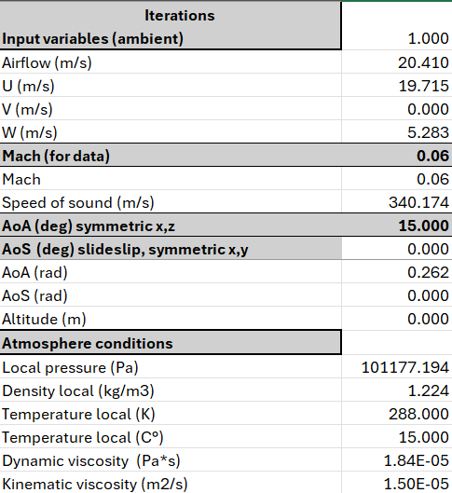
AoA (deg) x,z Lift
0 | 0.00078 | 0.0317596 | 0.26043 | 0.56825 | 0.82877 |  | 0.00525 | 3.63081
5 | 0.19458 | 0.52755589 | 4.59663 | 12.26851 | 29.24169
10 | 0.42863 | 1.1841635 | 9.80188 | 26.24853 | 64.39079
15 | 0.79120 | 2.1524813 | 17.88190 | 47.92227 | 119.26938
20 | 1.29145 | 3.585351 | 29.27667 | 78.62500 | 198.89642
25 | 1.87253 | 5.1210001 | 41.88831 | 113.86475 | 293.72726
30
AoA (deg) x,z SideForce
0 | 0.003024754 | 0.0075993732 | 0.0047434296 | 0.0087547752 | 0.004089126 |  | 0.036209692 | 1.7392082
5
10
15
20
25
30
AoA (deg) x,z Drag
0 | 0.29642 | 0.81478 | 6.90745 | 17.25406 | 54.86315 |  | 188.40852 | 573.49604
5 | 0.37802 | 0.98497 | 8.59149 | 21.47595 | 63.76376 |  |  |  |  |  |  | sound speed SL | 340.58866687 | m/s
$$F=\overline{q}A_{ref}C_{F}$$
10 | 0.48564 | 1.27458 | 10.92749 | 27.56534 | 77.97340 |  |  |  |  |  |  | T local | 288 | K
15 | 0.64891 | 1.71661 | 14.52064 | 37.18834 | 101.77215 |  |  |  |  |  |  | Aref | 0.0068255245173 | m^2
$$M=\overline{q}A_{ref}L_{r}C_{M}$$
20 | 0.91189 | 2.45464 | 20.38462 | 52.87920 | 141.97888 |  |  |  |  |  |  | rho at 1 atm, 288K | 1.224 | kg/m3
25 | 1.29713 | 3.46456 | 28.74956 | 75.87199 | 202.97077 |  |  |  |  |  |  | Reference length | 0.8 | m
30 |  |  |  |  |  |  |  |  |  |  |  | Adimensional factor | 121.14007749 | Pressure*Area
AoA (deg) x,z Moment axis x
0 | 3.94E-07 | 1.07E-06 | 3.49E-06 | 6.21E-06 | 1.05E-05 | 1.05E-05 | 3.54E-05 | -4.69E-05 |  |  |  | Drag Forebody at 15
5 |  |  |  |  |  |  |  |  |  |  |  | 88.505 | 0.731
10 |  |  |  |  |  |  |  |  |  |  |  | Lift Forebody at 15
15 |  |  |  |  |  |  |  |  |  |  |  | 117.5063 | 0.970
20 |  |  |  |  |  |  |  |  |  |  |  | SForce Forebody at 15
25 |  |  |  |  |  |  |  |  |  |  |  | 0.4219 | 0.003
30
AoA (deg) x,z Moment axis y
0 | -0.0008406785 | -9.94E-06 | -0.0028579856 | -0.0027765043 | -0.0035801428 | -0.0035801428 | -0.012667222 | 1.9839978
5
10
15
20
25
30
AoA (deg) x,z Moment axis z
0 | -0.001254186 | -0.003324216 | -0.0027258663 | -0.0057863556 | -0.0062785508 |  | 0.02958074 | -1.2803529
5
10
15
20
25
30

Aerodynamic CFD dynamic coeficients per fin
AoA (deg) x,z Lift
0 | 0.0004 | 0.0066 | 0.0060 | 0.0047 | 0.0035 | 0.0000 | 0.0000 | 0.0033
5 | 0.1115 | 0.1089 | 0.1054 | 0.1013 | 0.1232 | 0.0000 | 0.0000 | 0.0000
10 | 0.2457 | 0.2444 | 0.2248 | 0.2167 | 0.2712 | 0.0000 | 0.0000 | 0.0000
15 | 0.4536 | 0.4442 | 0.4100 | 0.3956 | 0.5023 | 0.0000 | 0.0000 | 0.0000
20 | 0.7403 | 0.7399 | 0.6713 | 0.6490 | 0.8377 | 0.0000 | 0.0000 | 0.0000
25 | 1.0734 | 1.0568 | 0.9605 | 0.9399 | 1.2371 | 0.0000 | 0.0000 | 0.0000
30 | 0.0000 | 0.0000 | 0.0000 | 0.0000 | 0.0000 | 0.0000 | 0.0000 | 0.0000
dCL /dAoA 1/rads (start 2 end) | -25.92399 | 61.87083 | 57.46422 | 61.83025 | 82.70317
dCL /dAoA 1/rads (mean) | 1.53747 | 1.55278 | 1.36774 | 1.32243 | 1.69638
0 | 1.27306 | 1.17249 | 1.13939 | 1.10678 | 1.37128 | 0.00000 | -0.00012 | -0.03816
5 | 1.53747 | 1.55278 | 1.36774 | 1.32243 | 1.69638 | 0.00000 | 0.00000 | 0.00000
10 | 2.38173 | 2.28993 | 2.12312 | 2.05021 | 2.64857 | 0.00000 | 0.00000 | 0.00000
15 | 3.28619 | 3.38853 | 2.99411 | 2.90430 | 3.84299 | 0.00000 | 0.00000 | 0.00000
20 | 3.81711 | 3.63159 | 3.31386 | 3.33348 | 4.57676 | 0.00000 | 0.00000 | 0.00000
25 | -12.30071 | -12.11043 | -11.00665 | -10.77095 | -14.17598 | 0.00000 | 0.00000 | 0.00000
30 | -12.30071 | -12.11043 | -11.00665 | -10.77095 | -14.17598 | 0.00000 | 0.00000 | 0.00000
SoA (slideslip angle,deg) x,z SideForce
0 | 0.0017339625784 | 0.0015683028601 | 0.00010876824257 | 7.226984976E-05 | 1.7222118549E-05 | 0 | 7.4726904487E-05 | 0.0015952223208
5
10
15
20
25
30
dCSf /dAoA 1/rads (start 2 end) | 0.03795
dCSf /dAoA 1/rads (mean) | 0.00000
0 | -0.01987 | -0.01797 | -0.00125 | -0.00083 | -0.00020 | 0.00000 | -0.00086 | -0.01828
5 | 0.00000 | 0.00000 | 0.00000 | 0.00000 | 0.00000 | 0.00000 | 0.00000 | 0.00000
10 | 0.00000 | 0.00000 | 0.00000 | 0.00000 | 0.00000 | 0.00000 | 0.00000 | 0.00000
15 | 0.00000 | 0.00000 | 0.00000 | 0.00000 | 0.00000 | 0.00000 | 0.00000 | 0.00000
20 | 0.00000 | 0.00000 | 0.00000 | 0.00000 | 0.00000 | 0.00000 | 0.00000 | 0.00000
25 | 0.00000 | 0.00000 | 0.00000 | 0.00000 | 0.00000 | 0.00000 | 0.00000 | 0.00000
30 | 0.00000 | 0.00000 | 0.00000 | 0.00000 | 0.00000 | 0.00000 | 0.00000 | 0.00000
AoA (deg) x,z Drag
0 | 0.16992212316 | 0.16814796492 | 0.1583898332 | 0.1424306832 | 0.23106642048 | 0 | 0.38882367402 | 0.52601734738
5
10
15
20
25
30
dCSf /dAoA 1/rads (start 2 end) | 3.71881
dCSf /dAoA 1/rads (mean) | 0.00000
0 | -1.94716 | -1.92683 | -1.81501 | -1.63214 | -2.64783 | 0.00000 | -4.45559 | -6.02771
5 | 0.00000 | 0.00000 | 0.00000 | 0.00000 | 0.00000 | 0.00000 | 0.00000 | 0.00000
10 | 0.00000 | 0.00000 | 0.00000 | 0.00000 | 0.00000 | 0.00000 | 0.00000 | 0.00000
15 | 0.00000 | 0.00000 | 0.00000 | 0.00000 | 0.00000 | 0.00000 | 0.00000 | 0.00000
20 | 0.00000 | 0.00000 | 0.00000 | 0.00000 | 0.00000 | 0.00000 | 0.00000 | 0.00000
25 | 0.00000 | 0.00000 | 0.00000 | 0.00000 | 0.00000 | 0.00000 | 0.00000 | 0.00000
30 | 0.00000 | 0.00000 | 0.00000 | 0.00000 | 0.00000 | 0.00000 | 0.00000 | 0.00000

$$M_{Z} for F_{Y}$$
$$M_{Y} for F_{Z}$$
CP from coordinate 0,0,0 (middle of forebody Mz for Fy)
0 | -1.0716000757 | -0.00031307069988 | -0.010973975995 | -0.0048860454196 | -0.0043198471115 |  | -2.4114624069 | 0.54643386098
5
10
15
20
25
30
CP from coordinate 0,0,0 (middle of forebody My for Fz)
0 | -0.41464066169 | -0.43743291881 | -0.57466148544 | -0.66093708494 | -1.5354261033 |  | 0.81692879354 | -0.73616999966
5
10
15
20
25
30

Stability
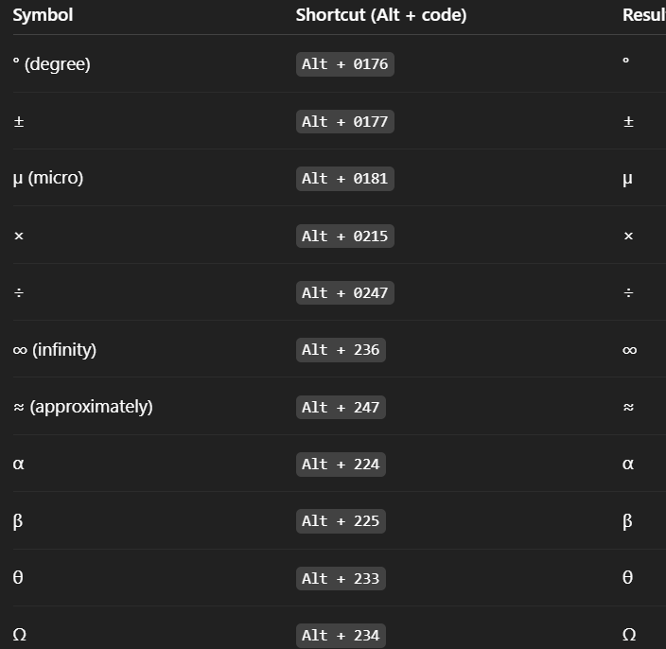
Model for aircraft dynamics | Total der. | 18
 | Derivative | Description | Notes
Total | CL | Lift coefficient | Lifting capability
 | CD | Drag coefficient | Aircraft total drag
 | CXu | Change in drag (or axial force) coefficient due to forward velocity u' | aerodynamic drag behavior
Drag force | CXα | Change in drag (or axial force) coefficient due to angle of attack α' | drag increases with α
 | CXq | Change in drag (or axial force) coefficient due to pitch rate q' | drag increase pitching up or down
 | CZu | Change in lift coefficient due to forward velocity u' | aerodynamic lift behavior
Lift force | CZα | Change in lift coefficient due to angle of attack α' | lift generated due changes in α
 | CZq | Change in lift coefficient due to pitch rate q' | lift generated by pitching
 | CYß | Change in side force coefficient due to slideslip angle ß' | side force generated by slideslip, lateral-directional
Side force | CYp | Change in side force coefficient due to roll rate p' | side force due to rolling rate
 | CYr | Change in side force coefficient due to yaw rate r' | side force generated by yaw rate
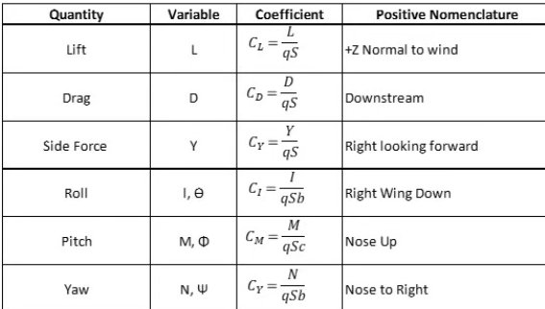
 | CLp | Change in rolling coefficient due to roll rate p' (roll ramping) | stabilizing moment resisting rollingmotion
Rolling moment | CLß | Change in rolling coefficient due to slideslip angle ß' | dihedral effect
 | CLr | Change in rolling moment coefficient due to yaw rate r' | yaw-roll coupling, important for dutch roll
 | CMu | Change in pitching moment coefficient due to changes in forward velocity u' | indicates change in pitching moment | 2.8624052261
Pitching moment | CMα | Change in pitching moment coefficient due to changes angle of attack α' | determines aircraft stability margin
 | CMq | Change in pitching moment coefficient due to changes in pitch rate q (pitch damping) | damping moment that resist furtherchanges in pitch rate
 | CNß | Change in yawing moment coefficient due to slideslip ß' | restoring yawing moment
Yawing moment | CNp | Change in yawing moment coefficient due to roll rate p' | yawing tendency during rolling motion
 | CNr | Change in yawing moment coefficient due to yaw rate r' (yaw damping) | yaw damping moment, provides dynamic stability

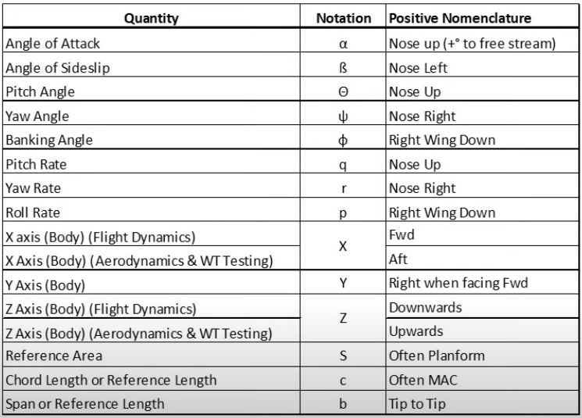
Reduced model to rocket dynamics
X
Y
Z
Pitch P
Roll Q
Yaw R

RocketData
Forebody Near-Zero AoA

$$L_{n}/d C_{N0} nosecone (per radian)$$
Lift

Mach numb | 1.5 | 3 | 5 | 7
0 | 2 | 2 | 2 | 2
0.3 | 2.01 | 2.01 | 2.01 | 2.01
0.4 | 2.02 | 2.02 | 2.02 | 2.02
0.5 | 2.03 | 2.03 | 2.03 | 2.03
0.6 | 2.05 | 2.05 | 2.05 | 2.05
0.7 | 2.06 | 2.06 | 2.06 | 2.06
0.8 | 2.1 | 2.1 | 2.1 | 2.1
0.9 | 2.16 | 2.16 | 2.16 | 2.16
1 | 2.3 | 2.3 | 2.3 | 2.3
1.05 | 2.36 | 2.36 | 2.36 | 2.36
1.1 | 2.4 | 2.4 | 2.4 | 2.4
1.15 | 2.38 | 2.37 | 2.37 | 2.38
1.2 | 2.37 | 2.32 | 2.3 | 2.3
1.3 | 2.35 | 2.27 | 2.21 | 2.21
1.4 | 2.35 | 2.25 | 2.16 | 2.13
1.5 | 2.35 | 2.24 | 2.12 | 2.08
1.75 | 2.37 | 2.26 | 2.08 | 2.03
2 | 2.4 | 2.31 | 2.08 | 2.01
2.25 | 2.42 | 2.36 | 2.12 | 2.03
2.5 | 2.45 | 2.4 | 2.15 | 2.06
3 | 2.48 | 2.49 | 2.22 | 2.1
3.5 | 2.51 | 2.57 | 2.28 | 2.14
4 | 2.53 | 2.63 | 2.34 | 2.18
4.5 | 2.56 | 2.67 | 2.39 | 2.21
5 | 2.57 | 2.7 | 2.43 | 2.24

Cp at alpha zero
 | L_n/d
Mach numb | 1.5 | 2 | 3 | 5 | 6 | 7
0 | 0.466 | 0.466 | 0.466 | 0.466 | 0.466 | 0.466
1 | 0.466 | 0.466 | 0.466 | 0.466 | 0.466 | 0.466
2 | 0.75 | 1.02 | 1.59 | 2.1 | 3.02 | 3.35
3 | 0.93 | 1.25 | 1.84 | 2.4 | 3.23 | 3.43
4 | 1.2 | 1.52 | 2.08 | 2.6 | 3.43 | 3.74
5 | 1.35 | 1.62 | 2.12 | 2.6 | 3.43 | 3.74

L_N/d | 1.5 | cal | Cylindrical fuselages greater than 10 calibers
L_N | 12 | cm | Lfuselage | 80 | cm
d (1 cal) | 8 | cm | 10 cal

Forebody Finite AoA
$C_{N}=C_{N0}\sin\left(α\right)\cos\left(α\right)+\frac{4}{π }\frac{L}{d}C_{NC}C_{PL}$

$$C_{Nforebody}=C_{Nα0}\sin\left(α\right)\cos\left(α\right)$$

$$C_{Ncrossflow}=\frac{4}{π }\frac{L}{d}C_{NC}C_{PL}$$

For Mach = 0.5
AoA | C_NC | dC_NC | % change
0 | 0 | 0.0010 | 0%
5 | 0.005 | 0.0010 | 0%
10 | 0.015 | 0.0010 | 0%
15 | 0.035 | 0.0013 | 33%
20 | 0.065 | 0.0015 | 12%
25 | 0.11 | 0.0018 | 20%
30 | 0.175 | 0.0022 | 20%
 | avg | 0.0014

Only valid for +/- 5 deg
Mach number | d(C_NC)/da
0 | 0.063
0.5 | 0.068
0.7 | 0.069 |  |  |  |  |  |  |  | M numb | 0.85
0.8 | 0.069 |  |  |  |  |  |  |  | dC_NC | 0.069
0.9 | 0.067
1 | 0.066
1.2 | 0.063
1.5 | 0.057
2 | 0.06
2.5 | 0.066
3 | 0.077
3.5 | 0.092
4 | 0.115

For C_PL | planform coefficient
$$C_{PL}=C_{Pf}\frac{L_{N}}{L}+\frac{L_{m}}{L}+C_{pa}\frac{L_{T}}{L}$$
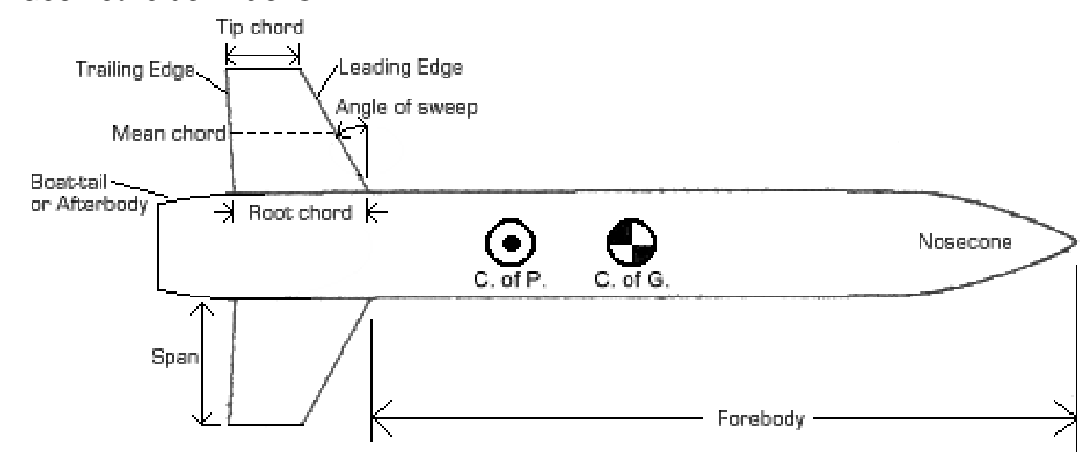
 |  |  | we ignore boat-tail section so C_pa = 1

L-N | length of cone
L-M | length of circular section between cone and tail
L-T | length of boat-tail
L | total length
$$C_{Pf}=\frac{1}{2}\left(\left(\frac{{\left(F+1\right)}^{2}}{\sqrt{2F+1}}sin^{−1}\left(\frac{\sqrt{2F+1}}{F+1}\right)\right)−F\right)$$

$$F=\frac{1}{2}\left(4{\left(\frac{L_{N}}{d}\right)}^{2}−1\right)$$

final equation for C_PL
$$C_{PL}=C_{Pf}\frac{L_{N}}{L}+\frac{L_{m}+L_{T}}{L}$$

For cp
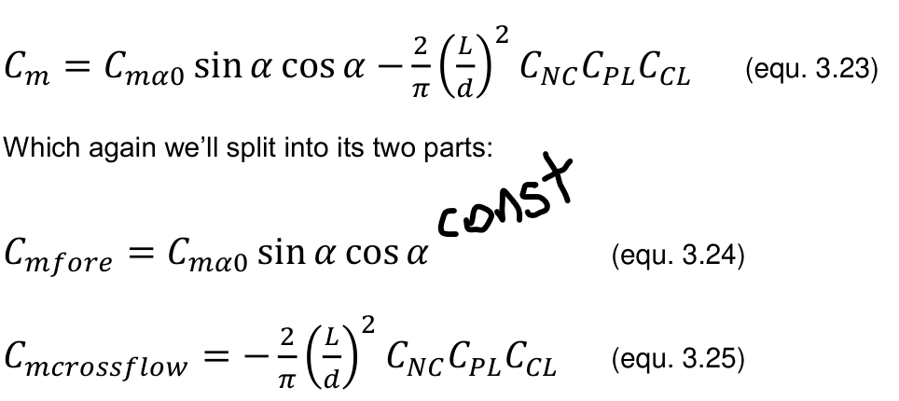
 |  |  |  |  |  |  | For Cp determination

$$\frac{X}{d}=−\frac{C_{mα}}{C_{Nα}}$$

$$\frac{X_{nose α}}{d}=\frac{X_{nose α0}}{d}$$
 |  |  |  |  |  |  |  | this says that the centre of presure doest move due to AoA,
 |  |  |  |  |  |  |  | but there is evidence that moves in transonic regime
$$X_{crossflow}=\frac{L}{2}C_{CL}$$
 |  |  |  |  |  |  |  | C_CL is a geometric parameter: the centorid planform area coefficient
 |  |  |  |  |  |  |  | In accordace to page 17 from Rocketry Aerodynamics

 |  |  |  |  |  |  |  |  |  |  | this assuming no boat-tail

summarized of all equations (models), variables and constants

$$C_{Pf}=\frac{1}{2}\left(\left(\frac{{\left(F+1\right)}^{2}}{\sqrt{2F+1}}sin^{−1}\left(\frac{\sqrt{2F+1}}{F+1}\right)\right)−F\right)$$

